MCQ(30)
1. What is the keyboard shortcut key to lock cell references in a formula? |  |  |  |  | Write here all answer opation | Answer
 |  |  |  |  | Q.1 | F4
A | CTRL |  |  |  | Q.2
B | ALT |  |  | Answer | Q.3
C | F2 |  |  |  | Q.4
D | F4 |  |  |  | Q.5
 |  |  |  |  | Q.6
 |  |  |  |  | Q.7
 |  |  |  |  | Q.8
 |  |  |  |  | Q.9
2. What are the shortcut keys for AutoSum?* |  |  |  |  | Q.10
 |  |  |  |  | Q.11
A | ALT and S |  |  |  | Q.12
B | CTRL and S |  |  |  | Q.13
C | ALT and = |  |  | Answer | Q.14
D | CTRL and = |  |  |  | Q.15
 |  |  |  |  | Q.16
 |  |  |  |  | Q.17
3. Which of the following is the correct formula to calculate the weighted average score in cell C8 as shown below?* |  |  |  |  | Q.18
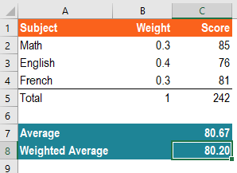
 |  |  |  |  | Q.19
 |  |  |  |  | Q.20
 |  |  |  |  | Q.21
 |  |  |  |  | Q.22
 |  |  |  |  | Q.23
 |  |  |  |  | Q.24
 |  |  |  |  | Q.25
 |  |  |  |  | Q.26
 |  |  |  |  | Q.27
 |  |  |  |  | Q.28
 |  |  |  |  | Q.29
 |  |  |  |  | Q.30

A | =SUMPRODUCT(C2:C5,B2:B5)
B | =SUMPRODUCT(C2:C4,B2:B4)
C | =AVERAGE(B2:B4) |  |  | Answer
D | =AVERAGE(C2:C4)

4. What formula can be used in cell G2 to create a dynamic date which shows the last day of each month?

A | =EOMONTH($B$2,B1)
B | =EOMONTH($B$2,G1)
C | =EOMONTH($B$2,C1) |  | Answer
D | =MONTH($G$2)

5. Assuming cell A1 is displaying the number "12000.7789". What formula should be used to round this number to the closest integer?

A | MROUND(A1,100)
B | MROUND(A1,10) |  | Answer
C | ROUND(A1,0)
D | ROUND(A1,1)

6. What are the keyboard shortcut keys to edit formula in a cell?

A | F2
B | F4 |  | Answer
C | CTRL + 1
D | CTRL + F

7.What is the formula for inserting the Random numbers in excel?

A | RAND ()
B | RANDBETWEEN (BOTTOM, TOP) |  | Answer
C | RANDBETWEEN (TOP, BOTTOM)
D | RAND (TOP, BOTTOM)

8.What is the formula for finding the average of numbers?

A. Average (Number1, Number2, Mumber3, Number….)
B. Average (Sum Of Numbers) |  |  |  | Answer
C. Average (Number1 + Number 2 + Number 3….)
D. Average (Value1, Value2, Value3…)

9. How to find the current date and time in excel?

A. Now ()
B. Current Date () |  |  |  | Answer
C. Date Time ()
D. Today ()

10. What is most likely the explanation for the green rectangles in Column C?

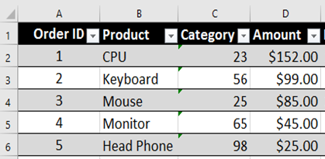
Choose One: |  |  | Answer
a) The numbers are formatted as text.
b) A value used in the formula is of the wrong data type.
c) A value is not available to the formula or function.
d) The formulas in the cells differ from one another in the same column.

11. What is the shortcut for entering the current time?

A. Ctrl + Shift + ;
B. Ctrl + Shift + : |  | Answer
C. Ctrl + :
D. Ctrl + ;

12. What is the shortcut for selecting the entire column?

A. Ctrl + Spacebar
B. Ctrl + A |  | Answer
C. Ctrl + Q
D. Alt + Spacebar

13.________is the best alternative to MS Excel offered by Google Inc.

A. Google Slides
B. Google Sheets |  | Answer
C. Google Files
D. Google Keep

14.Microsoft Excel was first time launched in ______ by the Microsoft Corporation

A. 1985
B. 1991 |  | Answer
C. 1995
D. 1998

15.Formulas in Excel start with ________

A. /
B. f |  | Answer
C. –
D. =

16. The difference between the SEARCH and FIND function is -

(a) The FIND function is case sensitive and the SEARCH function is not
(b) The SEARCH function is case sensitive and the FIND function is not |  |  |  | Answer
(c) There is no difference between them, only for compatibility, both are listed
(d) None of these

17. If there is a VBA code in your Excel file, then you should save the file as ____ format -

(a) .xlsx
(b) .xls |  | Answer
(c) .xlsm
(d) .csv

18. The first cell of the Excel Workbook is -

(a) AA
(b) A1 |  | Answer
(c) a1
(d) A

19. How do you undo an action in Excel?

(a) Ctrl+Z
(b) Ctrl+Y |  | Answer
(c) Ctrl+P
(d) Ctrl+K

20. If you press Ctrl+0 it will -

(a) Hide the selected row
(b) Hide the selected column
(c) Open Cell Format dialog box |  | Answer
(d) Activate Format Painter feature

21. To insert the current date without time, you can -

(a) Press Ctrl+;
(b) Use TODAY Function |  | Answer
(c) Use NOW Function
(d) both a&b

22. How do you paste a cell in Excel?

(a) Ctrl+V
(b) Ctrl+P |  | Answer
(c) Ctrl+K
(d) Ctrl+X

23. Which of the following is an absolute cell reference?

(a) F15
(b) F$15
(c) $F$15 |  | Answer
(d) $F15

24. Which of the following is a mixed cell reference?

(a) F15
(b) $F$16 |  | Answer
(c) $F$15
(d) $F15

25. Different types of Font Formatting are available in the -

(a) Home Tab
(b) Insert Tab |  | Answer
(c) Data Tab
(d) Format Tab

26.How do you select an entire row in Excel?

(a) Click on the row number |  | Answer
(b) Press Ctrl+Alt+3
(c) Press Alt+Space Bar
(d) Press Shift+Dot

27. What is COUNT and COUNTA?

Answer

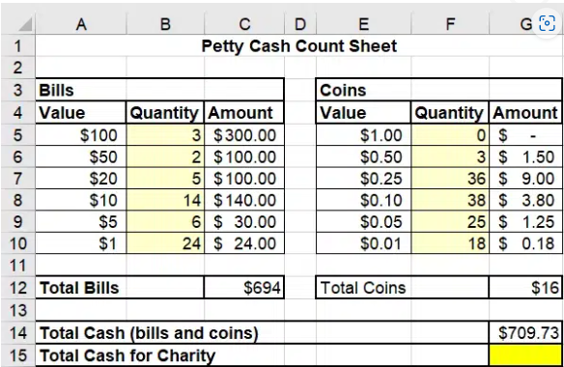
28. Each day, $1 bills and $0.01 and $0.05 coins are given to charity. Which function enables filling cell G15 with the correct number?

A. =SUM(C10,G10,G9)
B. =SUMIF(C10,G10,G9)
C. =COUNT(C10,G10,G9) |  | Answer
D. =A10+E10+E9

29. What is probably the reason for the error markings in column C?

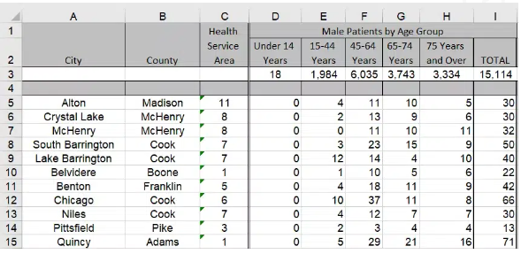

A. A value is not available to the formula or function.
B. A value used in the formula is of the wrong data type.
C. The formulas in the cells differ from one another in the same column.
D. The numbers are formatted as text.
 |  | Answer

30. How to find the current date and time in excel?

a. Now ()
b. Current date () |  | Answer
c. Date time ()
d. Today ()

Q.8
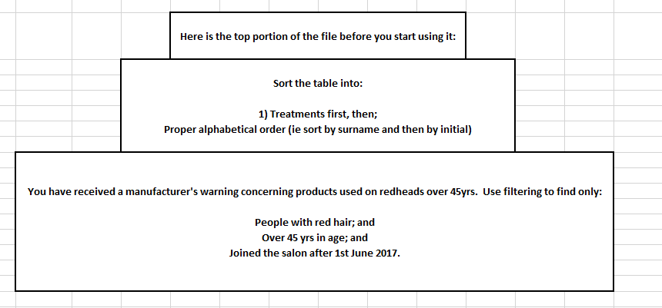
Fifty Shades Hair Design Clients

Customer ID | Surname | Initial | Age Category | Natural Hair Colour | Eye Colour | Usual Treatment | First Visit Date
FS-783A66 | Hunt | M | 0-10 | Blonde | Blue | Tints | 2016-01-18
FS-783A67 | Brown | G | 45-60 | Red | Green | Tints | 2017-05-19
FS-783A68 | Harris | T | 45-60 | Brunette | Brown | Half head Highlights | 2018-01-09
FS-783A69 | Douglas | T | 20-30 | Blonde | Blue | Crew cut | 2015-06-04
FS-783A70 | Shurma | F | 20-30 | Blonde | Brown | Full head colour | 2014-02-05
FS-783A71 | Brown | R | 10-20 | Brunette | Brown | Men's texturising and blow dry | 2015-08-16
FS-783A72 | Davies | W | 45-60 | Red | Blue | Ombre | 2012-08-11
FS-783A73 | Blunt | E | 60+ | Grey | Hazel | Full head colour | 2017-05-22
FS-783A74 | West | D | 45-60 | Brunette | Blue | Men's fade cut | 2016-01-19
FS-783A75 | Jalpur | D | 60+ | Grey | Blue | Tints | 2017-05-19
FS-783A76 | Fox | C | 45-60 | Blonde | Blue | Tints | 2014-02-05
FS-783A77 | McBaine | V | 45-60 | Blonde | Hazel | Re-style consultancy | 2012-03-08
FS-783A78 | Andrews | J | 45-60 | Red | Green | Balayage | 2016-10-29
FS-783A79 | Davis | S | 60+ | Red | Blue | Roots | 2017-08-14
FS-783A80 | O'Shea | W | 20-30 | Brunette | Brown | Crew cut | 2018-01-23
FS-783A81 | Douglas | I | 60+ | Blonde | Green | Roots | 2016-11-11
FS-783A82 | Smith | L | 0-10 | Brunette | Blue | Tints | 2017-04-23
FS-783A83 | Andrews | L | 45-60 | Brunette | Brown | Roots | 2016-03-03
FS-783A84 | Pulman | V | 30-45 | Blonde | Blue | Tints | 2017-05-19
FS-783A85 | O'Leary | C | 20-30 | Blonde | Blue | Men's balayage | 2017-12-11
FS-783A86 | Davies | C | 10-20 | Brunette | Green | Ombre | 2015-06-04
FS-783A87 | Flint | D | 45-60 | Red | Green | Balayage | 2016-01-19
FS-783A88 | Hunt | S | 45-60 | Grey | Hazel | Full head colour | 2017-05-19
FS-783A89 | Fowler | W | 30-45 | Blonde | Blue | Full head colour | 2014-02-05
FS-783A90 | Taylor | J | 60+ | Grey | Blue | Tints | 2012-03-08
FS-783A91 | Howie | K | 20-30 | Blonde | Blue | Men's colour and finish | 2016-10-29
FS-783A92 | Lovatt | W | 20-30 | Blonde | Green | Tints | 2014-05-16
FS-783A93 | Westley | Y | 45-60 | Blonde | Hazel | Balayage | 2012-01-19
FS-783A94 | Manson | L | 10-20 | Red | Blue | Men's grey coverage, cut and style | 2009-02-05
FS-783A95 | Farrah-Fowler | D | 60+ | Grey | Hazel | Full head colour | 2015-11-06
FS-783A96 | Rayner | G | 60+ | Blonde | Brown | Roots | 2018-02-11
FS-783A97 | Smith | B | 20-30 | Brunette | Brown | Re-style consultancy | 2015-08-22
FS-783A98 | West | A | 45-60 | Red | Green | Roots | 2017-08-09
FS-783A99 | Davies | A | 30-45 | Brunette | Blue | Roots | 2014-12-13
FS-783A100 | Hewitt | O | 45-60 | Brunette | Brown | Full head Highlights | 2014-05-27
FS-783A101 | Flint | D | 45-60 | Blonde | Blue | Tints | 2017-05-19
FS-783A102 | Brown | W | 45-60 | Blonde | Blue | Half head Highlights | 2017-12-11
FS-783A103 | McTavish | P | 60+ | Brunette | Green | Half head Highlights | 2015-06-04
FS-783A104 | O'Leary | L | 20-30 | Red | Green | Men's colour and finish | 2014-02-05
FS-783A105 | Jalpur | C | 30-45 | Blonde | Blue | Tints | 2015-08-16
FS-783A106 | Mee | C | 45-60 | Blonde | Hazel | Ombre | 2012-03-08
FS-783A107 | Phillips | G | 30-45 | Blonde | Hazel | Full head colour | 2016-10-29
FS-783A108 | Stanton | E | 45-60 | Brunette | Blue | Roots | 2017-08-14
FS-783A109 | Rayner | D | 45-60 | Red | Hazel | Roots | 2014-02-05
FS-783A110 | Grainger | F | 60+ | Grey | Blue | Men's grey coverage, cut and style | 2016-11-11
FS-783A111 | Harris | M | 60+ | Brunette | Blue | Tints | 2017-04-23
FS-783A112 | Wilson | K | 20-30 | Brunette | Brown | Full head Highlights | 2016-03-03
FS-783A113 | Roper | Y | 30-45 | Blonde | Brown | Full head colour | 2013-12-19
FS-783A114 | McBaine | S | 45-60 | Blonde | Blue | Ombre | 2017-03-11
FS-783A115 | Olson | A | 10-20 | Blonde | Blue | Crew cut | 2013-07-21
FS-783A116 | Smitherton-Blythe | A | 60+ | Blonde | Blue | Men's texturising and blow dry | 2017-04-09
FS-783A117 | Fox | C | 20-30 | Red | Green | Re-style consultancy | 2012-04-15
FS-783A118 | Beardsley | D | 45-60 | Brunette | Blue | Men's balayage | 2017-03-16
FS-783A119 | Greggson | Z | 45-60 | Red | Brown | Crew cut | 2015-06-22
FS-783A120 | Wilson | Y | 60+ | Grey | Blue | Men's colour and finish | 2015-10-18
FS-783A121 | Williams | T | 0-10 | Blonde | Blue | Tints | 2018-01-04
FS-783A122 | Taylor | I | 30-45 | Blonde | Blue | Re-style consultancy | 2017-09-16
FS-783A123 | Trent | K | 45-60 | Brunette | Brown | Full head colour | 2017-04-23
FS-783A124 | Paynes | H | 60+ | Red | Blue | Men's texturising and blow dry | 2016-03-03
FS-783A125 | Rayner | G | 60+ | Red | Brown | Ombre | 2017-05-19
FS-783A126 | Rolson | G | 45-60 | Blonde | Brown | Full head colour | 2017-12-11
FS-783A127 | Pinkerton | B | 45-60 | Blonde | Blue | Men's fade cut | 2015-06-04
FS-783A128 | Shepherd | M | 45-60 | Brunette | Brown | Tints | 2016-01-19
FS-783A129 | Samuels | L | 45-60 | Red | Green | Tints | 2018-02-08
FS-783A130 | Monks | S | 20-30 | Blonde | Blue | Re-style consultancy | 2017-11-26
FS-783A131 | Beardsley | W | 45-60 | Red | Hazel | Balayage | 2016-02-14
FS-783A132 | Oliver | B | 30-45 | Red | Brown | Roots | 2015-07-19
FS-783A133 | Williams | V | 60+ | Blonde | Blue | Crew cut | 2013-03-11
FS-783A134 | Andrews | F | 30-45 | Brunette | Blue | Roots | 2017-08-07
FS-783A135 | McTavish | F | 30-45 | Brunette | Green | Tints | 2015-08-16
FS-783A136 | Phillips | T | 20-30 | Brunette | Hazel | Tints | 2012-08-11
FS-783A137 | O'Roarke | R | 45-60 | Brunette | Blue | Tints | 2017-05-22
FS-783A138 | Grainer | H | 30-45 | Blonde | Blue | Half head Highlights | 2016-01-19
FS-783A139 | Harris | Y | 20-30 | Blonde | Blue | Crew cut | 2017-05-19
FS-783A140 | Heath | Y | 45-60 | Blonde | Brown | Full head colour | 2014-02-05
FS-783A141 | Manson | P | 30-45 | Red | Brown | Tints | 2012-03-08
FS-783A142 | Minshull | W | 45-60 | Grey | Blue | Tints | 2016-10-29
FS-783A143 | Drake | S | 60+ | Grey | Blue | Crew cut | 2017-08-14
FS-783A144 | Thatcher | S | 60+ | Grey | Hazel | Crew cut | 2018-01-23
FS-783A145 | Williams | D | 45-60 | Blonde | Green | Full head colour | 2016-11-11
FS-783A146 | Cooke | F | 30-45 | Brunette | Green | Men's colour and finish | 2017-02-15
FS-783A147 | Pearce | G | 30-45 | Brunette | Blue | Tints | 2015-01-23
FS-783A148 | Duffy | T | 45-60 | Blonde | Brown | Re-style consultancy | 2017-08-22
FS-783A149 | Oliver | H | 20-30 | Red | Brown | Full head colour | 2017-04-08
FS-783A150 | Kilkenny | R | 60+ | Brunette | Brown | Men's texturising and blow dry | 2016-08-15
FS-783A151 | Price | K | 45-60 | Red | Blue | Ombre | 2013-09-19
FS-783A152 | Bryson | J | 45-60 | Grey | Blue | Full head colour | 2016-04-29
FS-783A153 | Fry | U | 45-60 | Blonde | Hazel | Men's fade cut | 2015-10-31
FS-783A154 | Lance | P | 20-30 | Blonde | Brown | Ombre | 2018-02-11
FS-783A155 | Young | C | 60+ | Brunette | Brown | Full head colour | 2015-08-22
FS-783A156 | Plowright | M | 30-45 | Blonde | Blue | Men's fade cut | 2017-08-09
FS-783A157 | Quiverly | B | 45-60 | Grey | Brown | Tints | 2014-12-13
FS-783A158 | Addison | H | 10-20 | Red | Hazel | Tints | 2014-05-27
FS-783A159 | Palmer | E | 60+ | Grey | Blue | Re-style consultancy | 2017-05-19
FS-783A160 | Williams | R | 60+ | Red | Green | Balayage | 2017-12-11
FS-783A161 | Taylor | F | 60+ | Blonde | Blue | Roots | 2015-06-04
FS-783A162 | Tranter | T | 0-10 | Blonde | Blue | Crew cut | 2014-02-05
FS-783A163 | Vickery | T | 20-30 | Brunette | Blue | Roots | 2015-08-16
FS-783A164 | Minton | D | 45-60 | Red | Hazel | Tints | 2012-03-08
FS-783A165 | Kramer | H | 30-45 | Grey | Green | Roots | 2016-10-29
FS-783A166 | Wood | P | 10-20 | Blonde | Hazel | Ombre | 2017-08-14
FS-783A167 | Fowler | L | 45-60 | Blonde | Blue | Full head colour | 2014-02-05
FS-783A168 | Pinkerton | L | 45-60 | Red | Hazel | Men's fade cut | 2016-11-11
FS-783A169 | Grant | S | 20-30 | Brunette | Brown | Tints | 2017-04-23
FS-783A170 | James | W | 60+ | Grey | Brown | Tints | 2016-03-03
FS-783A171 | Jones | M | 45-60 | Blonde | Blue | Re-style consultancy | 2013-08-11
FS-783A172 | Smith | V | 45-60 | Blonde | Blue | Balayage | 2017-11-16
FS-783A173 | Phillips | F | 30-45 | Brunette | Brown | Roots | 2012-09-23
FS-783A174 | Stewart | D | 30-45 | Brunette | Brown | Crew cut | 2016-02-14
FS-783A175 | Johnson | R | 60+ | Brunette | Blue | Roots | 2013-05-30
FS-783A176 | Davies | T | 60+ | Blonde | Blue | Tints | 2017-08-11
FS-783A177 | O'Brien | T | 45-60 | Red | Green | Roots | 2017-06-23
FS-783A178 | Bruce | R | 45-60 | Blonde | Brown | Tints | 2017-04-08
FS-783A179 | Smitherton | W | 20-30 | Blonde | Blue | Men's balayage | 2017-11-03
FS-783A180 | Williams-Bryce | E | 10-20 | Red | Brown | Ombre | 2016-09-01
FS-783A181 | Johnstone | L | 60+ | Grey | Brown | Balayage | 2018-01-05
FS-783A182 | Williamson | N | 30-45 | Brunette | Green | Men's balayage | 2012-02-14

